1. GA
SL_No | KPI | Input Parameter | Output Parameter | Details | Recipient | Data Frequency | Data Source
1 | GA | cluster, region, zone, distributor, rso_supervisor, rso, kpi | Today, Yesterday, Last week same day | Today = Cumulative Achievement of todays’ till time Yesterday = Cumulative Achievement of yesterday (Full day) Last week same day = Cumulative Achievement of last week same day (Full day) | ZM, DD, Top | Near real time | SALES_DIGI_ECO_GA_KPI_DWH
2 | GA | cluster, region, zone, distributor, rso_supervisor, rso, kpi | Target, MTD Achievement, Achievement %, GA Count Today’s, Retail Count MTD, Retail Count Today, | Target = BP Target NTR BP wise today = BP Wise Today GA Count MTD = ? Target vs Ach = (Achievement/ Target)*100 GA QTY = GA Activation Quantity of Today’s till time Retail Count = Retail Count of Today (unique retail with GA) | ZM, DD, Top | Near real time | SALES_DIGI_ECO_GA_KPI_DWH | 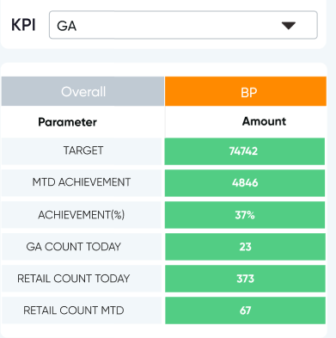
3 | GA | cluster, region, zone, distributor, rso_supervisor, rso, kpi | Target, MTD Achievement, Achievement %, GA QTY (Today), GA QTY MTD, Retail Count Today, Retail Count MTD | Target = RSO Target NTR RSO wise today = RSO Wise today data MTD = ? Achievement % = (Achievement/ Target)*100 GA QTY = GA Activation Quantity of Today’s till time Retail Count = Retail Count of Today (unique retail with GA) | RSO, ZM | Near real time | SALES_DIGI_ECO_GA_KPI_DWH

Questions
1 | Where I'll show rso wise NTR MTD, GA QTY and Retail Count?
2 | Does NTR MTD and D-1 MTD are same? If not same then provide MTD column at this table SALES_DIGI_ECO_GA_KPI_DWH.

